General info
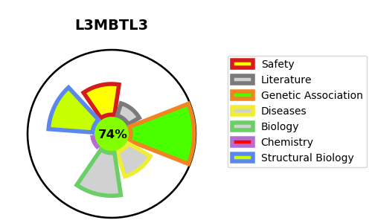
Gene_name | L3MBTL3 | Tractable | Tractability_probability
Synonyms | H-l(3)mbt-like protein 3,KIAA1798,L(3)mbt-like protein 3,L3MBTL3,Lethal(3)malignant brain tumor-like protein 3,MBT-1,MBT1 | True | 74.16
Target_id | Q96JM7 | In Training data set ?
Protein_class | MBT domain | No
Protein_class_desc | epigenetic regulator -> reader -> methyl-lysine -> mbt
Species | Homo sapiens (Human).
Number_isoforms | 2

DISEASE |  | PATHWAYS
disease_id | disease_name | Reactome | KEGG

