General info
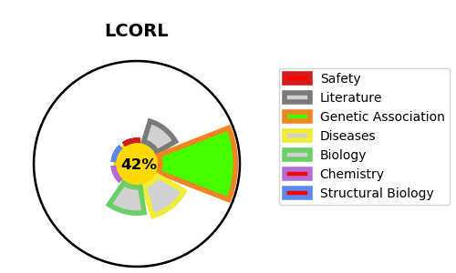
Gene_name | LCORL | Tractable | Tractability_probability
Synonyms | Not found | False | 42.41
Target_id | Q8N3X6 | In Training data set ?
Protein_class |  | No
Protein_class_desc
Species | Homo sapiens (Human).
Number_isoforms | 3

DISEASE |  | PATHWAYS
disease_id | disease_name | Reactome | KEGG

