General info
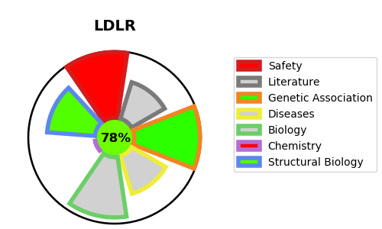
Gene_name | LDLR | Tractable | Tractability_probability
Synonyms | LDL receptor,LDLR,Low-density lipoprotein receptor | True | 78.73
Target_id | P01130 | In Training data set ?
Protein_class | Membrane receptor | No
Protein_class_desc | membrane receptor
Species | Homo sapiens (Human).
Number_isoforms | 6

DISEASE |  | PATHWAYS
disease_id | disease_name | Reactome | KEGG
OMIM:143890 | HYPERCHOLESTEROLEMIA, FAMILIAL, 1 | Cargo recognition for clathrin-mediated endocytosis
 |  | Chylomicron clearance
 |  | Clathrin-mediated endocytosis
 |  | G alpha (i) signalling events
 |  | GPCR downstream signalling
 |  | LDL clearance
 |  | Membrane Trafficking
 |  | Metabolism
 |  | Metabolism of fat-soluble vitamins
 |  | Metabolism of vitamins and cofactors
 |  | Plasma lipoprotein assembly, remodeling, and clearance
 |  | Plasma lipoprotein clearance
 |  | Retinoid metabolism and transport
 |  | Signal Transduction
 |  | Signaling by GPCR
 |  | Transport of small molecules
 |  | Vesicle-mediated transport
 |  | Visual phototransduction

