General info
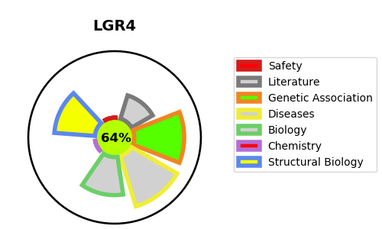
Gene_name | LGR4 | Tractable | Tractability_probability
Synonyms | GPR48 | True | 64.71
Target_id | Q9BXB1 | In Training data set ?
Protein_class |  | No
Protein_class_desc
Species | Homo sapiens (Human).
Number_isoforms | 2

DISEASE |  | PATHWAYS
disease_id | disease_name | Reactome | KEGG
OMIM:615311 | BONE MINERAL DENSITY QUANTITATIVE TRAIT LOCUS 17 | Regulation of FZD by ubiquitination
 |  | Signal Transduction
 |  | Signaling by WNT
 |  | TCF dependent signaling in response to WNT

