General info
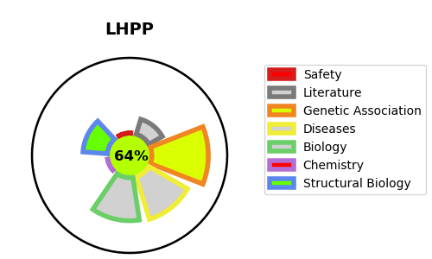
Gene_name | LHPP | Tractable | Tractability_probability
Synonyms | Not found | True | 64.73
Target_id | Q9H008 | In Training data set ?
Protein_class |  | No
Protein_class_desc
Species | Homo sapiens (Human).
Number_isoforms | 2

DISEASE |  | PATHWAYS
disease_id | disease_name | Reactome | KEGG
 |  | Metabolism
 |  | Metabolism of nucleotides
 |  | Nucleobase biosynthesis
 |  | Purine ribonucleoside monophosphate biosynthesis

