General info
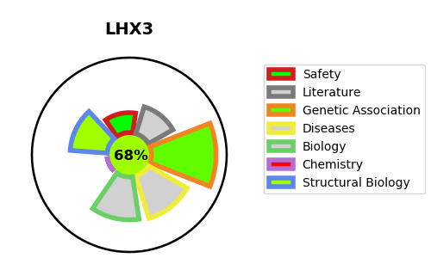
Gene_name | LHX3 | Tractable | Tractability_probability
Synonyms | Not found | True | 68.84
Target_id | Q9UBR4 | In Training data set ?
Protein_class |  | No
Protein_class_desc
Species | Homo sapiens (Human).
Number_isoforms | 2

DISEASE |  | PATHWAYS
disease_id | disease_name | Reactome | KEGG
OMIM:221750 | PITUITARY HORMONE DEFICIENCY, COMBINED, 3 | Axon guidance
 |  | Developmental Biology
 |  | Nervous system development
 |  | Regulation of expression of SLITs and ROBOs
 |  | Signaling by ROBO receptors

