General info
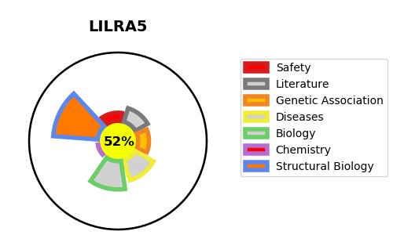
Gene_name | LILRA5 | Tractable | Tractability_probability
Synonyms | ILT11, LILRB7, LIR9 | True | 52.17
Target_id | A6NI73 | In Training data set ?
Protein_class |  | No
Protein_class_desc
Species | Homo sapiens (Human).
Number_isoforms | 4

DISEASE |  | PATHWAYS
disease_id | disease_name | Reactome | KEGG
 |  | Adaptive Immune System
 |  | Immune System
 |  | Immunoregulatory interactions between a Lymphoid and a non-Lymphoid cell

