General info
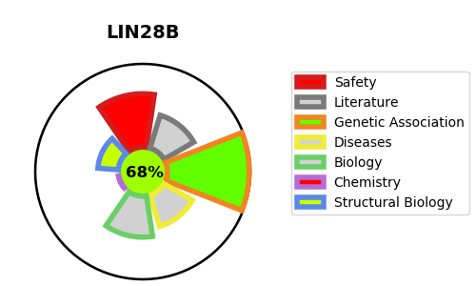
Gene_name | LIN28B | Tractable | Tractability_probability
Synonyms | CSDD2,LIN28B,Lin-28B,Protein lin-28 homolog B | True | 68.94
Target_id | Q6ZN17 | In Training data set ?
Protein_class | Unclassified protein | No
Protein_class_desc | unclassified
Species | Homo sapiens (Human).
Number_isoforms | 2

DISEASE |  | PATHWAYS
disease_id | disease_name | Reactome | KEGG

