General info
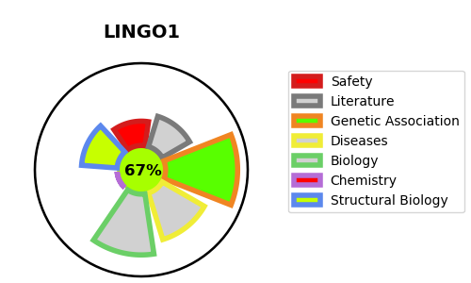
Gene_name | LINGO1 | Tractable | Tractability_probability
Synonyms | LERN1,LINGO1,LRRN6A ,Leucine-rich repeat and immunoglobulin domain-containing protein 1,Leucine-rich repeat and immunoglobulin-like domain-containing nogo receptor-interacting protein 1,Leucine-rich repeat neuronal protein 1,Leucine-rich repeat neuronal protein 6A | True | 67.31
Target_id | Q96FE5 | In Training data set ?
Protein_class | Unclassified protein | No
Protein_class_desc | unclassified
Species | Homo sapiens (Human).
Number_isoforms | 2

DISEASE |  | PATHWAYS
disease_id | disease_name | Reactome | KEGG
OMIM:618103 | MENTAL RETARDATION, AUTOSOMAL RECESSIVE 64 | Axonal growth inhibition (RHOA activation)
 |  | Death Receptor Signalling
 |  | Signal Transduction
 |  | p75 NTR receptor-mediated signalling
 |  | p75NTR regulates axonogenesis

