General info
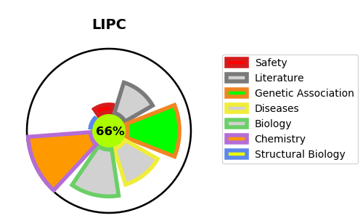
Gene_name | LIPC | Tractable | Tractability_probability
Synonyms | 3.1.1.3,HTGL,Hepatic lipase,Hepatic triacylglycerol lipase,LIPC,Lipase member C | True | 66.28
Target_id | P11150 | In Training data set ?
Protein_class | Enzyme | No
Protein_class_desc | enzyme
Species | Homo sapiens (Human).
Number_isoforms | 0

DISEASE |  | PATHWAYS
disease_id | disease_name | Reactome | KEGG
OMIM:125853 | TYPE 2 DIABETES MELLITUS | Assembly of active LPL and LIPC lipase complexes
OMIM:612797 | HIGH DENSITY LIPOPROTEIN CHOLESTEROL LEVEL QUANTITATIVE TRAIT LOCUS 12 | Chylomicron clearance
OMIM:614025 | HEPATIC LIPASE DEFICIENCY | Plasma lipoprotein assembly, remodeling, and clearance
 |  | Plasma lipoprotein clearance
 |  | Plasma lipoprotein remodeling
 |  | Transport of small molecules

