General info
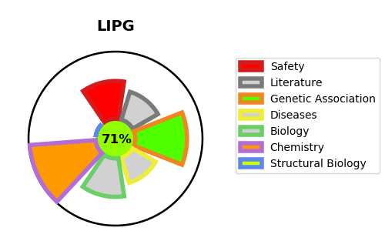
Gene_name | LIPG | Tractable | Tractability_probability
Synonyms | 3.1.1.3,EDL,Endothelial cell-derived lipase,Endothelial lipase,LIPG | True | 71.6
Target_id | Q9Y5X9 | In Training data set ?
Protein_class | Hydrolase | No
Protein_class_desc | enzyme -> hydrolase
Species | Homo sapiens (Human).
Number_isoforms | 2

DISEASE |  | PATHWAYS
disease_id | disease_name | Reactome | KEGG
 |  | HDL remodeling
 |  | Plasma lipoprotein assembly, remodeling, and clearance
 |  | Plasma lipoprotein remodeling
 |  | Transport of small molecules

