General info
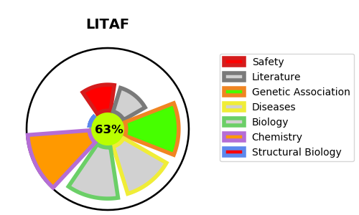
Gene_name | LITAF | Tractable | Tractability_probability
Synonyms | PIG7 {ECO:0000303|PubMed:11274176, ECO:0000303|PubMed:15197774}, SIMPLE {ECO:0000303|PubMed:11274176} | True | 63.71
Target_id | Q99732 | In Training data set ?
Protein_class |  | No
Protein_class_desc
Species | Homo sapiens (Human).
Number_isoforms | 3

DISEASE |  | PATHWAYS
disease_id | disease_name | Reactome | KEGG
OMIM:601098 | CHARCOT-MARIE-TOOTH DISEASE, DEMYELINATING, TYPE 1C

