General info
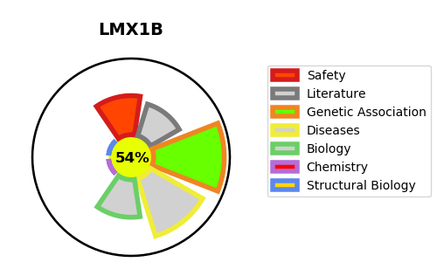
Gene_name | LMX1B | Tractable | Tractability_probability
Synonyms | Not found | True | 54.74
Target_id | O60663 | In Training data set ?
Protein_class |  | No
Protein_class_desc
Species | Homo sapiens (Human).
Number_isoforms | 3

DISEASE |  | PATHWAYS
disease_id | disease_name | Reactome | KEGG
OMIM:161200 | NAIL-PATELLA SYNDROME

