General info
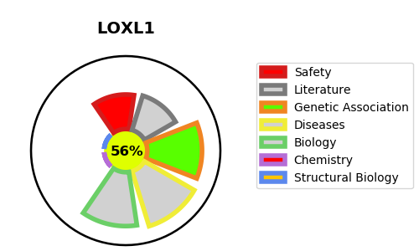
Gene_name | LOXL1 | Tractable | Tractability_probability
Synonyms | LOXL | True | 56.46
Target_id | Q08397 | In Training data set ?
Protein_class |  | No
Protein_class_desc
Species | Homo sapiens (Human).
Number_isoforms | 0

DISEASE |  | PATHWAYS
disease_id | disease_name | Reactome | KEGG
OMIM:177650 | EXFOLIATION SYNDROME | Assembly of collagen fibrils and other multimeric structures
 |  | Collagen formation
 |  | Crosslinking of collagen fibrils
 |  | Elastic fibre formation
 |  | Extracellular matrix organization

