General info
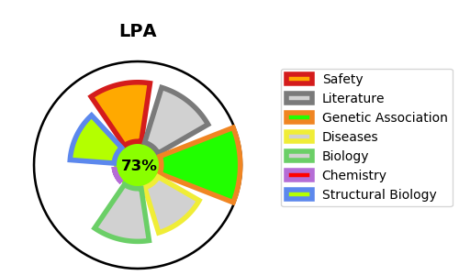
Gene_name | LPA | Tractable | Tractability_probability
Synonyms | Not found | True | 73.06
Target_id | P08519 | In Training data set ?
Protein_class |  | No
Protein_class_desc
Species | Homo sapiens (Human).
Number_isoforms | 0

DISEASE |  | PATHWAYS
disease_id | disease_name | Reactome | KEGG
OMIM:618807 | LIPOPROTEIN(a) QUANTITATIVE TRAIT LOCUS

