General info
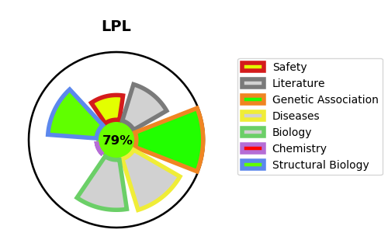
Gene_name | LPL | Tractable | Tractability_probability
Synonyms | 3.1.1.34,LIPD,LPL,Lipoprotein lipase | True | 79.25
Target_id | P06858 | In Training data set ?
Protein_class | Hydrolase | No
Protein_class_desc | enzyme -> hydrolase
Species | Homo sapiens (Human).
Number_isoforms | 0

DISEASE |  | PATHWAYS
disease_id | disease_name | Reactome | KEGG
OMIM:144250 | HYPERLIPIDEMIA, FAMILIAL COMBINED, 3 | Assembly of active LPL and LIPC lipase complexes
OMIM:238600 | HYPERLIPOPROTEINEMIA, TYPE I | Chylomicron remodeling
 |  | Developmental Biology
 |  | G alpha (i) signalling events
 |  | GPCR downstream signalling
 |  | Metabolism
 |  | Metabolism of fat-soluble vitamins
 |  | Metabolism of vitamins and cofactors
 |  | Plasma lipoprotein assembly, remodeling, and clearance
 |  | Plasma lipoprotein remodeling
 |  | Retinoid metabolism and transport
 |  | Signal Transduction
 |  | Signaling by GPCR
 |  | Transcriptional regulation of white adipocyte differentiation
 |  | Transport of small molecules
 |  | Visual phototransduction

