General info
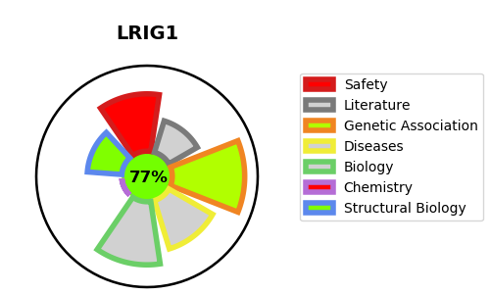
Gene_name | LRIG1 | Tractable | Tractability_probability
Synonyms | LIG1 | True | 77.56
Target_id | Q96JA1 | In Training data set ?
Protein_class |  | No
Protein_class_desc
Species | Homo sapiens (Human).
Number_isoforms | 2

DISEASE |  | PATHWAYS
disease_id | disease_name | Reactome | KEGG
 |  | Negative regulation of MET activity
 |  | Signal Transduction
 |  | Signaling by EGFR
 |  | Signaling by MET
 |  | Signaling by Receptor Tyrosine Kinases

