General info
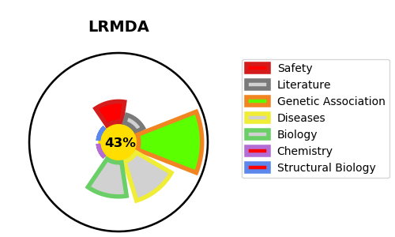
Gene_name | LRMDA | Tractable | Tractability_probability
Synonyms | C10orf11, CDA017 | False | 43.62
Target_id | Q9H2I8 | In Training data set ?
Protein_class |  | No
Protein_class_desc
Species | Homo sapiens (Human).
Number_isoforms | 0

DISEASE |  | PATHWAYS
disease_id | disease_name | Reactome | KEGG
OMIM:615179 | ALBINISM, OCULOCUTANEOUS, TYPE VII

