General info
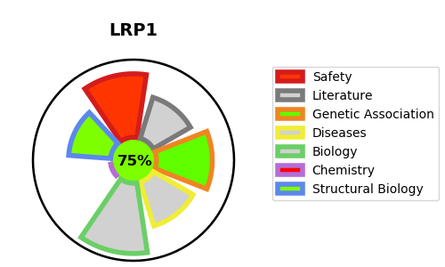
Gene_name | LRP1 | Tractable | Tractability_probability
Synonyms | A2MR, APR | True | 75.33
Target_id | Q07954 | In Training data set ?
Protein_class |  | No
Protein_class_desc
Species | Homo sapiens (Human).
Number_isoforms | 2

DISEASE |  | PATHWAYS
disease_id | disease_name | Reactome | KEGG
OMIM:604093 | KERATOSIS PILARIS ATROPHICANS | Binding and Uptake of Ligands by Scavenger Receptors
 |  | G alpha (i) signalling events
 |  | GPCR downstream signalling
 |  | Metabolism
 |  | Metabolism of fat-soluble vitamins
 |  | Metabolism of vitamins and cofactors
 |  | Retinoid metabolism and transport
 |  | Scavenging of heme from plasma
 |  | Signal Transduction
 |  | Signaling by GPCR
 |  | Vesicle-mediated transport
 |  | Visual phototransduction

