General info
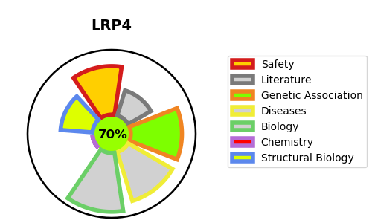
Gene_name | LRP4 | Tractable | Tractability_probability
Synonyms | KIAA0816, LRP10, MEGF7 | True | 70.47
Target_id | O75096 | In Training data set ?
Protein_class |  | No
Protein_class_desc
Species | Homo sapiens (Human).
Number_isoforms | 0

DISEASE |  | PATHWAYS
disease_id | disease_name | Reactome | KEGG
OMIM:212780 | CENANI-LENZ SYNDACTYLY SYNDROME | ECM proteoglycans
OMIM:614305 | SCLEROSTEOSIS 2 | Extracellular matrix organization
OMIM:616304 | MYASTHENIC SYNDROME, CONGENITAL, 17

