General info
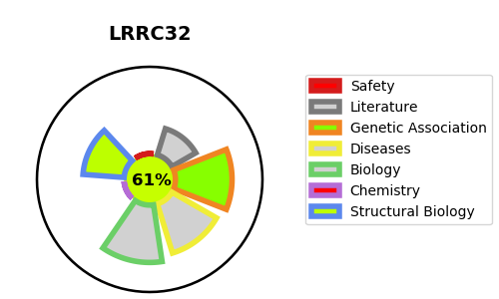
Gene_name | LRRC32 | Tractable | Tractability_probability
Synonyms | D11S833E | True | 61.2
Target_id | Q14392 | In Training data set ?
Protein_class |  | No
Protein_class_desc
Species | Homo sapiens (Human).
Number_isoforms | 0

DISEASE |  | PATHWAYS
disease_id | disease_name | Reactome | KEGG
OMIM:619074 | CLEFT PALATE, PROLIFERATIVE RETINOPATHY, AND DEVELOPMENTAL DELAY

