General info
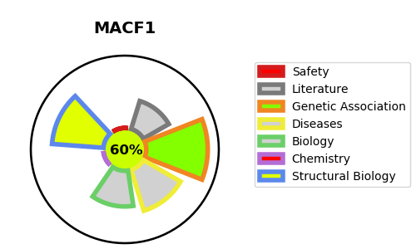
Gene_name | MACF1 | Tractable | Tractability_probability
Synonyms | ABP620, ACF7 {ECO:0000303|PubMed:20937854}, KIAA0465, KIAA1251 | True | 60.48
Target_id | Q9UPN3 | In Training data set ?
Protein_class |  | No
Protein_class_desc
Species | Homo sapiens (Human).
Number_isoforms | 5

DISEASE |  | PATHWAYS
disease_id | disease_name | Reactome | KEGG
OMIM:618325 | LISSENCEPHALY 9 WITH COMPLEX BRAINSTEM MALFORMATION

