General info
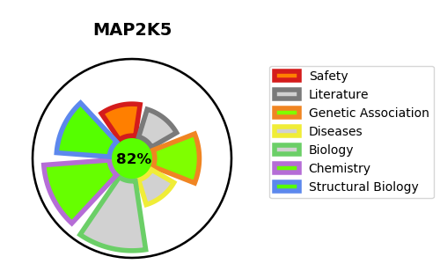
Gene_name | MAP2K5 | Tractable | Tractability_probability
Synonyms | 2.7.12.2,Dual specificity mitogen-activated protein kinase kinase 5,MAP kinase kinase 5,MAP2K5,MAPK/ERK kinase 5,MAPKK 5,MEK 5,MEK5,MKK5,PRKMK5 | True | 82.36
Target_id | Q13163 | In Training data set ?
Protein_class | STE protein kinase STE7 family | No
Protein_class_desc | enzyme -> kinase -> protein kinase -> ste -> ste7
Species | Homo sapiens (Human).
Number_isoforms | 4

DISEASE |  | PATHWAYS
disease_id | disease_name | Reactome | KEGG
 |  | Signal Transduction
 |  | Signaling by NTRK1 (TRKA)
 |  | Signaling by NTRKs
 |  | Signaling by Receptor Tyrosine Kinases
 |  | Signalling to ERK5

