General info
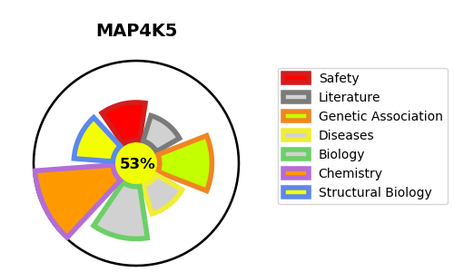
Gene_name | MAP4K5 | Tractable | Tractability_probability
Synonyms | 2.7.11.1,KHS,Kinase homologous to SPS1/STE20,MAP4K5,MAPK/ERK kinase kinase kinase 5,MEK kinase kinase 5,MEKKK 5,Mitogen-activated protein kinase kinase kinase kinase 5 | True | 53.29
Target_id | Q9Y4K4 | In Training data set ?
Protein_class | STE protein kinase KHS subfamily | No
Protein_class_desc | enzyme -> kinase -> protein kinase -> ste -> ste20 -> khs
Species | Homo sapiens (Human).
Number_isoforms | 0

DISEASE |  | PATHWAYS
disease_id | disease_name | Reactome | KEGG

