General info
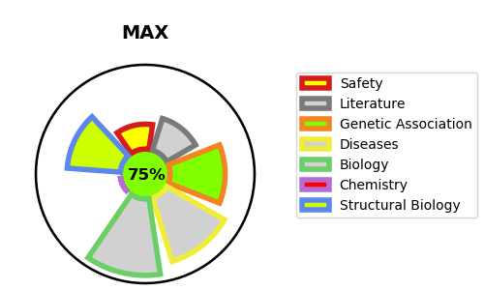
Gene_name | MAX | Tractable | Tractability_probability
Synonyms | BHLHD4,Class D basic helix-loop-helix protein 4,MAX,Myc-associated factor X,Protein max,bHLHd4 | True | 75.08
Target_id | P61244 | In Training data set ?
Protein_class | Unclassified protein | Yes
Protein_class_desc | unclassified
Species | Homo sapiens (Human).
Number_isoforms | 6

DISEASE |  | PATHWAYS
disease_id | disease_name | Reactome | KEGG
OMIM:171300 | PHEOCHROMOCYTOMA | Cell Cycle
 |  | Cell Cycle, Mitotic
 |  | Cyclin A:Cdk2-associated events at S phase entry
 |  | Cyclin E associated events during G1/S transition
 |  | G0 and Early G1
 |  | G1/S Transition
 |  | Gene expression (Transcription)
 |  | Generic Transcription Pathway
 |  | Mitotic G1 phase and G1/S transition
 |  | RNA Polymerase II Transcription
 |  | S Phase
 |  | Transcription of E2F targets under negative control by DREAM complex
 |  | Transcriptional Regulation by E2F6

