General info
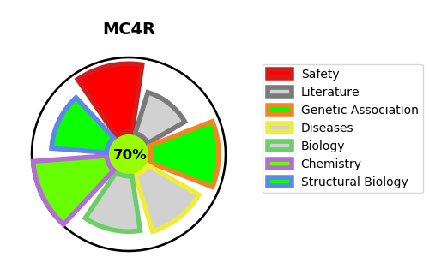
Gene_name | MC4R | Tractable | Tractability_probability
Synonyms | MC4-R,MC4R,Melanocortin receptor 4 | True | 70.07
Target_id | P32245 | In Training data set ?
Protein_class | Melanocortin receptor | No
Protein_class_desc | membrane receptor -> 7tm1 -> peptide -> short peptide -> melanocortin receptor
Species | Homo sapiens (Human).
Number_isoforms | 0

DISEASE |  | PATHWAYS
disease_id | disease_name | Reactome | KEGG
OMIM:618406 | BODY MASS INDEX QUANTITATIVE TRAIT LOCUS 20 | ADORA2B mediated anti-inflammatory cytokines production
 |  | Anti-inflammatory response favouring Leishmania parasite infection
 |  | Class A/1 (Rhodopsin-like receptors)
 |  | Disease
 |  | G alpha (s) signalling events
 |  | GPCR downstream signalling
 |  | GPCR ligand binding
 |  | Infectious disease
 |  | Leishmania infection
 |  | Leishmania parasite growth and survival
 |  | Peptide ligand-binding receptors
 |  | Signal Transduction
 |  | Signaling by GPCR

