General info
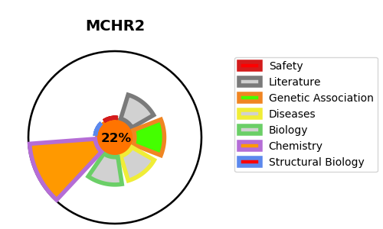
Gene_name | MCHR2 | Tractable | Tractability_probability
Synonyms | G-protein coupled receptor 145,GPR145,GPRv17,MCH receptor 2,MCH-2R,MCH-R2,MCH2,MCH2R,MCHR-2,MCHR2,Melanin-concentrating hormone receptor 2,SLT | False | 22.87
Target_id | Q969V1 | In Training data set ?
Protein_class | MCH receptor | No
Protein_class_desc | membrane receptor -> 7tm1 -> peptide -> short peptide -> mch receptor
Species | Homo sapiens (Human).
Number_isoforms | 0

DISEASE |  | PATHWAYS
disease_id | disease_name | Reactome | KEGG
 |  | Class A/1 (Rhodopsin-like receptors)
 |  | G alpha (i) signalling events
 |  | G alpha (q) signalling events
 |  | GPCR downstream signalling
 |  | GPCR ligand binding
 |  | Peptide ligand-binding receptors
 |  | Signal Transduction
 |  | Signaling by GPCR

