General info
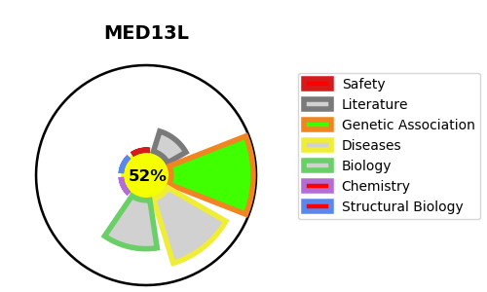
Gene_name | MED13L | Tractable | Tractability_probability
Synonyms | KIAA1025, PROSIT240, THRAP2, TRAP240L | True | 52.07
Target_id | Q71F56 | In Training data set ?
Protein_class |  | No
Protein_class_desc
Species | Homo sapiens (Human).
Number_isoforms | 0

DISEASE |  | PATHWAYS
disease_id | disease_name | Reactome | KEGG
OMIM:608808 | TRANSPOSITION OF THE GREAT ARTERIES, DEXTRO-LOOPED 1 | Developmental Biology
OMIM:616789 | MENTAL RETARDATION AND DISTINCTIVE FACIAL FEATURES WITH OR WITHOUT CARDIAC DEFECTS | Metabolism
 |  | Metabolism of lipids
 |  | PPARA activates gene expression
 |  | Regulation of lipid metabolism by PPARalpha
 |  | Transcriptional regulation of white adipocyte differentiation

