General info
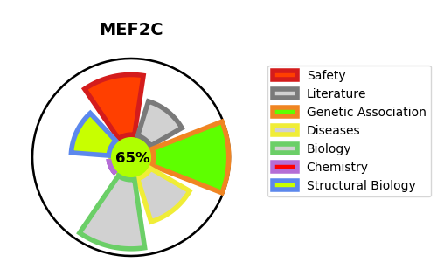
Gene_name | MEF2C | Tractable | Tractability_probability
Synonyms | Not found | True | 65.69
Target_id | Q06413 | In Training data set ?
Protein_class |  | No
Protein_class_desc
Species | Homo sapiens (Human).
Number_isoforms | 6

DISEASE |  | PATHWAYS
disease_id | disease_name | Reactome | KEGG
OMIM:613443 | MENTAL RETARDATION, AUTOSOMAL DOMINANT 20 | Circadian Clock
 |  | Cytokine Signaling in Immune system
 |  | Developmental Biology
 |  | ERK/MAPK targets
 |  | Gene expression (Transcription)
 |  | Generic Transcription Pathway
 |  | Immune System
 |  | Innate Immune System
 |  | Interleukin-17 signaling
 |  | MAP kinase activation
 |  | MAPK targets/ Nuclear events mediated by MAP kinases
 |  | MECP2 regulates transcription factors
 |  | Mitochondrial biogenesis
 |  | MyD88 cascade initiated on plasma membrane
 |  | MyD88 dependent cascade initiated on endosome
 |  | MyD88-independent TLR4 cascade
 |  | MyD88:MAL(TIRAP) cascade initiated on plasma membrane
 |  | Myogenesis
 |  | Nuclear Events (kinase and transcription factor activation)
 |  | Organelle biogenesis and maintenance
 |  | RNA Polymerase II Transcription
 |  | Signal Transduction
 |  | Signaling by Interleukins
 |  | Signaling by NTRK1 (TRKA)
 |  | Signaling by NTRKs
 |  | Signaling by Receptor Tyrosine Kinases
 |  | TRAF6 mediated induction of NFkB and MAP kinases upon TLR7/8 or 9 activation
 |  | TRIF(TICAM1)-mediated TLR4 signaling
 |  | Toll Like Receptor 10 (TLR10) Cascade
 |  | Toll Like Receptor 2 (TLR2) Cascade
 |  | Toll Like Receptor 3 (TLR3) Cascade
 |  | Toll Like Receptor 4 (TLR4) Cascade
 |  | Toll Like Receptor 5 (TLR5) Cascade
 |  | Toll Like Receptor 7/8 (TLR7/8) Cascade
 |  | Toll Like Receptor 9 (TLR9) Cascade
 |  | Toll Like Receptor TLR1:TLR2 Cascade
 |  | Toll Like Receptor TLR6:TLR2 Cascade
 |  | Toll-like Receptor Cascades
 |  | Transcriptional Regulation by MECP2
 |  | Transcriptional activation of mitochondrial biogenesis

