General info
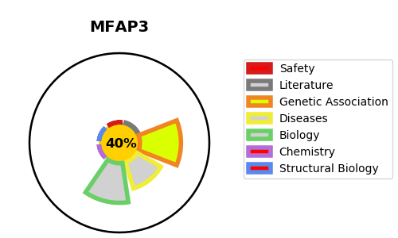
Gene_name | MFAP3 | Tractable | Tractability_probability
Synonyms | Not found | False | 40.63
Target_id | P55082 | In Training data set ?
Protein_class |  | No
Protein_class_desc
Species | Homo sapiens (Human).
Number_isoforms | 2

DISEASE |  | PATHWAYS
disease_id | disease_name | Reactome | KEGG
 |  | Elastic fibre formation
 |  | Extracellular matrix organization
 |  | Molecules associated with elastic fibres

