General info
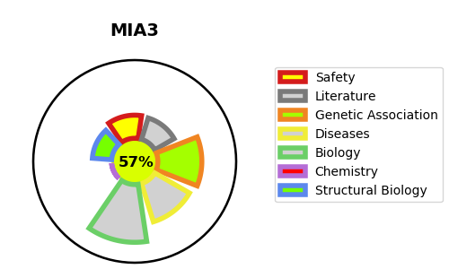
Gene_name | MIA3 | Tractable | Tractability_probability
Synonyms | KIAA0268 {ECO:0000312|EMBL:BAA13448.1}, TANGO {ECO:0000303|PubMed:15183315} | True | 57.55
Target_id | Q5JRA6 | In Training data set ?
Protein_class |  | No
Protein_class_desc
Species | Homo sapiens (Human).
Number_isoforms | 4

DISEASE |  | PATHWAYS
disease_id | disease_name | Reactome | KEGG
 |  | Asparagine N-linked glycosylation
 |  | Cargo concentration in the ER
 |  | ER to Golgi Anterograde Transport
 |  | Membrane Trafficking
 |  | Metabolism of proteins
 |  | Post-translational protein modification
 |  | Post-translational protein phosphorylation
 |  | Regulation of Insulin-like Growth Factor (IGF) transport and uptake by Insulin-like Growth Factor Binding Proteins (IGFBPs)
 |  | Transport to the Golgi and subsequent modification
 |  | Vesicle-mediated transport

