General info
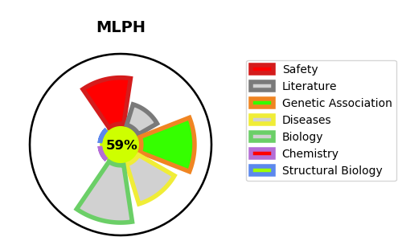
Gene_name | MLPH | Tractable | Tractability_probability
Synonyms | SLAC2A | True | 59.79
Target_id | Q9BV36 | In Training data set ?
Protein_class |  | No
Protein_class_desc
Species | Homo sapiens (Human).
Number_isoforms | 5

DISEASE |  | PATHWAYS
disease_id | disease_name | Reactome | KEGG
OMIM:609227 | GRISCELLI SYNDROME, TYPE 3

