General info
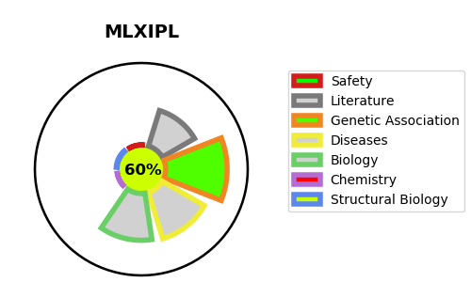
Gene_name | MLXIPL | Tractable | Tractability_probability
Synonyms | BHLHD14, MIO, WBSCR14 | True | 60.03
Target_id | Q9NP71 | In Training data set ?
Protein_class |  | No
Protein_class_desc
Species | Homo sapiens (Human).
Number_isoforms | 6

DISEASE |  | PATHWAYS
disease_id | disease_name | Reactome | KEGG
OMIM:194050 | WILLIAMS-BEUREN SYNDROME | AMPK inhibits chREBP transcriptional activation activity
 |  | ChREBP activates metabolic gene expression
 |  | Integration of energy metabolism
 |  | Metabolism
 |  | PKA-mediated phosphorylation of key metabolic factors
 |  | PP2A-mediated dephosphorylation of key metabolic factors

