General info
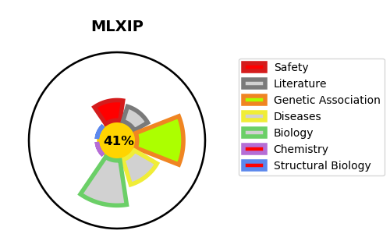
Gene_name | MLXIP | Tractable | Tractability_probability
Synonyms | BHLHE36, KIAA0867, MIR {ECO:0000312|EMBL:AAL55689.1}, MONDOA | False | 41.64
Target_id | Q9HAP2 | In Training data set ?
Protein_class |  | No
Protein_class_desc
Species | Homo sapiens (Human).
Number_isoforms | 5

DISEASE |  | PATHWAYS
disease_id | disease_name | Reactome | KEGG

