General info
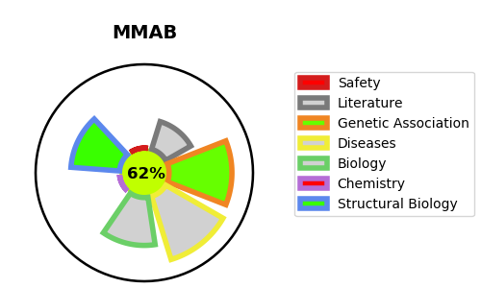
Gene_name | MMAB | Tractable | Tractability_probability
Synonyms | Not found | True | 62.54
Target_id | Q96EY8 | In Training data set ?
Protein_class |  | No
Protein_class_desc
Species | Homo sapiens (Human).
Number_isoforms | 0

DISEASE |  | PATHWAYS
disease_id | disease_name | Reactome | KEGG
OMIM:251110 | METHYLMALONIC ACIDURIA, cblB TYPE | Cobalamin (Cbl, vitamin B12) transport and metabolism
 |  | Defective MMAB causes methylmalonic aciduria type cblB
 |  | Defects in cobalamin (B12) metabolism
 |  | Defects in vitamin and cofactor metabolism
 |  | Disease
 |  | Diseases of metabolism
 |  | Metabolism
 |  | Metabolism of vitamins and cofactors
 |  | Metabolism of water-soluble vitamins and cofactors

