General info
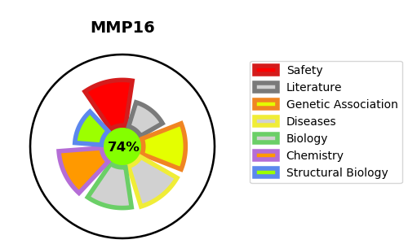
Gene_name | MMP16 | Tractable | Tractability_probability
Synonyms | 3.4.24.-,MMP-16,MMP-X2,MMP16,MMPX2,MT-MMP 3,MT3-MMP,MT3MMP,MTMMP3,Matrix metalloproteinase-16,Membrane-type matrix metalloproteinase 3,Membrane-type-3 matrix metalloproteinase | True | 74.15
Target_id | P51512 | In Training data set ?
Protein_class | Metallo protease M10A subfamily | No
Protein_class_desc | enzyme -> protease -> metallo -> mam -> m10a
Species | Homo sapiens (Human).
Number_isoforms | 2

DISEASE |  | PATHWAYS
disease_id | disease_name | Reactome | KEGG
 |  | Activation of Matrix Metalloproteinases
 |  | Degradation of the extracellular matrix
 |  | Extracellular matrix organization

