General info
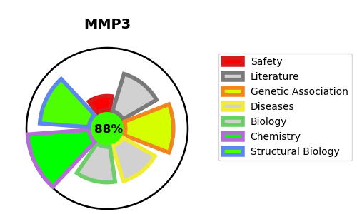
Gene_name | MMP3 | Tractable | Tractability_probability
Synonyms | 3.4.24.17,MMP-3,MMP3,Matrix metalloproteinase-3,SL-1,STMY1,Stromelysin-1,Transin-1 | True | 88.95
Target_id | P08254 | In Training data set ?
Protein_class | Metallo protease M10A subfamily | No
Protein_class_desc | enzyme -> protease -> metallo -> mam -> m10a
Species | Homo sapiens (Human).
Number_isoforms | 0

DISEASE |  | PATHWAYS
disease_id | disease_name | Reactome | KEGG
OMIM:614466 | CORONARY HEART DISEASE, SUSCEPTIBILITY TO, 6 | Activation of Matrix Metalloproteinases
 |  | Assembly of collagen fibrils and other multimeric structures
 |  | Collagen degradation
 |  | Collagen formation
 |  | Cytokine Signaling in Immune system
 |  | Degradation of the extracellular matrix
 |  | EGFR Transactivation by Gastrin
 |  | ESR-mediated signaling
 |  | Extra-nuclear estrogen signaling
 |  | Extracellular matrix organization
 |  | G alpha (q) signalling events
 |  | GPCR downstream signalling
 |  | Gastrin-CREB signalling pathway via PKC and MAPK
 |  | Immune System
 |  | Interleukin-4 and Interleukin-13 signaling
 |  | Signal Transduction
 |  | Signaling by GPCR
 |  | Signaling by Interleukins
 |  | Signaling by Nuclear Receptors

