General info
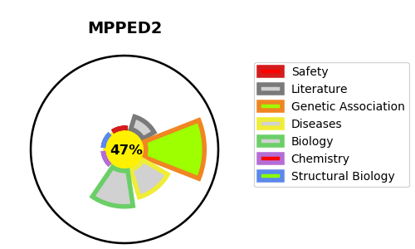
Gene_name | MPPED2 | Tractable | Tractability_probability
Synonyms | C11orf8, FAM1B | False | 47.37
Target_id | Q15777 | In Training data set ?
Protein_class |  | No
Protein_class_desc
Species | Homo sapiens (Human).
Number_isoforms | 2

DISEASE |  | PATHWAYS
disease_id | disease_name | Reactome | KEGG

