General info
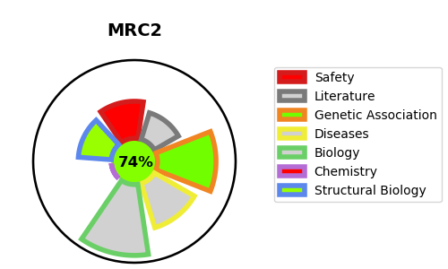
Gene_name | MRC2 | Tractable | Tractability_probability
Synonyms | CLEC13E, ENDO180, KIAA0709, UPARAP | True | 74.23
Target_id | Q9UBG0 | In Training data set ?
Protein_class |  | No
Protein_class_desc
Species | Homo sapiens (Human).
Number_isoforms | 0

DISEASE |  | PATHWAYS
disease_id | disease_name | Reactome | KEGG
 |  | Adaptive Immune System
 |  | Antigen processing-Cross presentation
 |  | Class I MHC mediated antigen processing & presentation
 |  | Cross-presentation of soluble exogenous antigens (endosomes)
 |  | Immune System

