General info
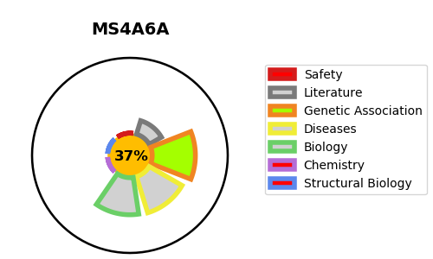
Gene_name | MS4A6A | Tractable | Tractability_probability
Synonyms | 4SPAN3, CD20L3, MS4A6 | False | 37.18
Target_id | Q9H2W1 | In Training data set ?
Protein_class |  | No
Protein_class_desc
Species | Homo sapiens (Human).
Number_isoforms | 5

DISEASE |  | PATHWAYS
disease_id | disease_name | Reactome | KEGG

