General info
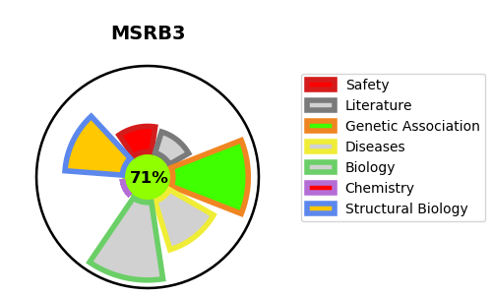
Gene_name | MSRB3 | Tractable | Tractability_probability
Synonyms | 1.8.4.12,1.8.4.14,MSRB3,Methionine-R-sulfoxide reductase B3,MsrB3 | True | 71.96
Target_id | Q8IXL7 | In Training data set ?
Protein_class | Oxidoreductase | No
Protein_class_desc | enzyme -> reductase
Species | Homo sapiens (Human).
Number_isoforms | 2

DISEASE |  | PATHWAYS
disease_id | disease_name | Reactome | KEGG
OMIM:613718 | DEAFNESS, AUTOSOMAL RECESSIVE 74 | Metabolism of proteins
 |  | Protein repair

