General info
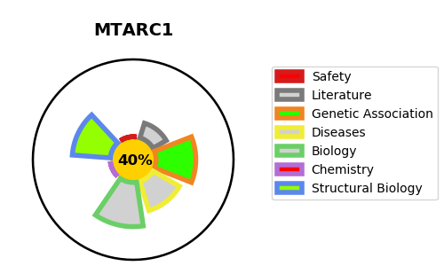
Gene_name | MTARC1 | Tractable | Tractability_probability
Synonyms | 1.-.-.-,MARC1,MOSC domain-containing protein 1,MOSC1,Mitochondrial amidoxime-reducing component 1,Moco sulfurase C-terminal domain-containing protein 1,Molybdenum cofactor sulfurase C-terminal domain-containing protein 1,mARC1 | False | 40.95
Target_id | Q5VT66 | In Training data set ?
Protein_class | Oxidoreductase | No
Protein_class_desc | enzyme -> reductase
Species | Homo sapiens (Human).
Number_isoforms | 3

DISEASE |  | PATHWAYS
disease_id | disease_name | Reactome | KEGG
 |  | Biological oxidations
 |  | Metabolism
 |  | Phase I - Functionalization of compounds

