General info
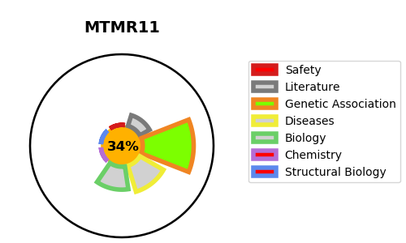
Gene_name | MTMR11 | Tractable | Tractability_probability
Synonyms | Not found | False | 34.71
Target_id | A4FU01 | In Training data set ?
Protein_class |  | No
Protein_class_desc
Species | Homo sapiens (Human).
Number_isoforms | 6

DISEASE |  | PATHWAYS
disease_id | disease_name | Reactome | KEGG

