General info
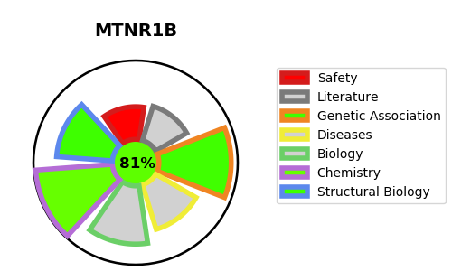
Gene_name | MTNR1B | Tractable | Tractability_probability
Synonyms | MTNR1B,Mel-1B-R,Mel1b receptor,Melatonin receptor type 1B | True | 81.84
Target_id | P49286 | In Training data set ?
Protein_class | Melatonin receptor | No
Protein_class_desc | membrane receptor -> 7tm1 -> smallmol -> monoamine-derivative -> melatonin receptor
Species | Homo sapiens (Human).
Number_isoforms | 0

DISEASE |  | PATHWAYS
disease_id | disease_name | Reactome | KEGG
OMIM:125853 | TYPE 2 DIABETES MELLITUS | Class A/1 (Rhodopsin-like receptors)
 |  | G alpha (i) signalling events
 |  | GPCR downstream signalling
 |  | GPCR ligand binding
 |  | Signal Transduction
 |  | Signaling by GPCR

