General info
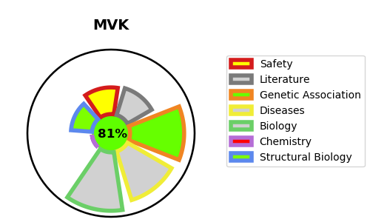
Gene_name | MVK | Tractable | Tractability_probability
Synonyms | Not found | True | 81.53
Target_id | Q03426 | In Training data set ?
Protein_class |  | No
Protein_class_desc
Species | Homo sapiens (Human).
Number_isoforms | 0

DISEASE |  | PATHWAYS
disease_id | disease_name | Reactome | KEGG
OMIM:175900 | POROKERATOSIS 3, MULTIPLE TYPES | Activation of gene expression by SREBF (SREBP)
OMIM:260920 | HYPER-IgD SYNDROME | Cholesterol biosynthesis
OMIM:610377 | MEVALONIC ACIDURIA | Metabolism
 |  | Metabolism of lipids
 |  | Metabolism of steroids
 |  | Regulation of cholesterol biosynthesis by SREBP (SREBF)

