General info
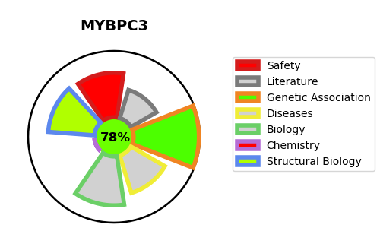
Gene_name | MYBPC3 | Tractable | Tractability_probability
Synonyms | Not found | True | 78.96
Target_id | Q14896 | In Training data set ?
Protein_class |  | No
Protein_class_desc
Species | Homo sapiens (Human).
Number_isoforms | 2

DISEASE |  | PATHWAYS
disease_id | disease_name | Reactome | KEGG
OMIM:115197 | CARDIOMYOPATHY, FAMILIAL HYPERTROPHIC, 4 | Muscle contraction
OMIM:615396 | LEFT VENTRICULAR NONCOMPACTION 10 | Striated Muscle Contraction

