General info
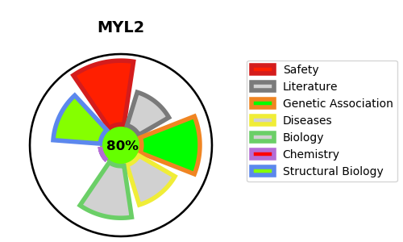
Gene_name | MYL2 | Tractable | Tractability_probability
Synonyms | MYH7,MYHCB,MyHC-beta,MyHC-slow,Myosin heavy chain 7,Myosin heavy chain slow isoform,Myosin heavy chain, cardiac muscle beta isoform,Myosin-7,MYH6,MYHCA,MyHC-alpha,Myosin heavy chain 6,Myosin heavy chain, cardiac muscle alpha isoform,Myosin-6,Antigen MLAA-21,KIAA1512,MYH7B,Myosin cardiac muscle beta chain,Myosin heavy chain 7B, cardiac muscle beta isoform,Myosin-7B,Slow A MYH14,CMLC1,Cardiac myosin light chain 1,MLC-lV/sb,MLC1SB,MYL3,Myosin light chain 1, slow-twitch muscle B/ventricular isoform,Myosin light chain 3,VLCl,Ventricular myosin alkali light chain,Ventricular myosin light chain 1,Ventricular/slow twitch myosin alkali light chain,Cardiac myosin light chain 2,MLC-2,MLC-2s/v,MLC-2v,MYL2,Myosin light chain 2, slow skeletal/ventricular muscle isoform,Myosin regulatory light chain 2, ventricular/cardiac muscle isoform,Ventricular myosin light chain 2,MLC-2a,MLC2a,MYL2A,MYL7,MYLC2A,Myosin light chain 2a,Myosin regulatory light chain 2, atrial isoform,Myosin regulatory light chain 7,MLC1 ,MYL4,Myosin light chain 1, embryonic muscle/atrial isoform,Myosin light chain 4,Myosin light chain alkali GT-1 isoform | True | 80.27
Target_id | P10916 | In Training data set ?
Protein_class | Unclassified protein | No
Protein_class_desc | unclassified
Species | Homo sapiens (Human).
Number_isoforms | 0

DISEASE |  | PATHWAYS
disease_id | disease_name | Reactome | KEGG
OMIM:608758 | CARDIOMYOPATHY, FAMILIAL HYPERTROPHIC, 10 | Muscle contraction
 |  | Striated Muscle Contraction

