General info
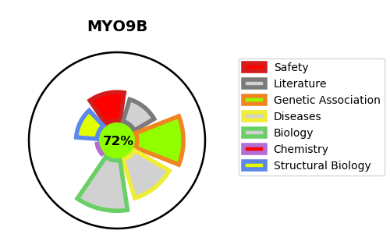
Gene_name | MYO9B | Tractable | Tractability_probability
Synonyms | MYR5 | True | 72.36
Target_id | Q13459 | In Training data set ?
Protein_class |  | No
Protein_class_desc
Species | Homo sapiens (Human).
Number_isoforms | 2

DISEASE |  | PATHWAYS
disease_id | disease_name | Reactome | KEGG
OMIM:609753 | CELIAC DISEASE, SUSCEPTIBILITY TO, 4 | Axon guidance
 |  | Developmental Biology
 |  | Disease
 |  | FCGR3A-mediated phagocytosis
 |  | Fcgamma receptor (FCGR) dependent phagocytosis
 |  | Immune System
 |  | Infectious disease
 |  | Innate Immune System
 |  | Leishmania infection
 |  | Leishmania phagocytosis
 |  | Nervous system development
 |  | Parasite infection
 |  | Regulation of actin dynamics for phagocytic cup formation
 |  | Rho GTPase cycle
 |  | SLIT2:ROBO1 increases RHOA activity
 |  | Signal Transduction
 |  | Signaling by ROBO receptors
 |  | Signaling by Rho GTPases

