General info
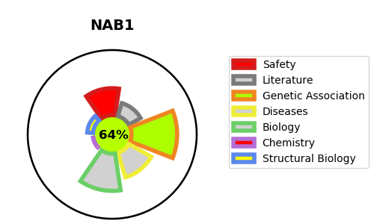
Gene_name | NAB1 | Tractable | Tractability_probability
Synonyms | Not found | True | 64.52
Target_id | Q13506 | In Training data set ?
Protein_class |  | No
Protein_class_desc
Species | Homo sapiens (Human).
Number_isoforms | 2

DISEASE |  | PATHWAYS
disease_id | disease_name | Reactome | KEGG
 |  | Developmental Biology
 |  | EGR2 and SOX10-mediated initiation of Schwann cell myelination
 |  | NGF-stimulated transcription
 |  | Nervous system development
 |  | Nuclear Events (kinase and transcription factor activation)
 |  | Signal Transduction
 |  | Signaling by NTRK1 (TRKA)
 |  | Signaling by NTRKs
 |  | Signaling by Receptor Tyrosine Kinases

