General info
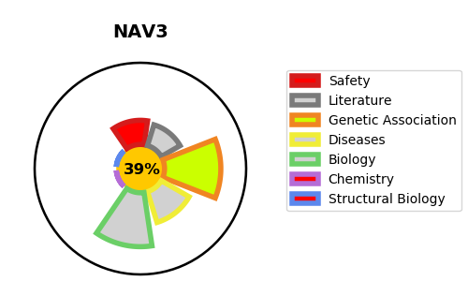
Gene_name | NAV3 | Tractable | Tractability_probability
Synonyms | KIAA0938, POMFIL1, STEERIN3 | False | 39.28
Target_id | Q8IVL0 | In Training data set ?
Protein_class |  | No
Protein_class_desc
Species | Homo sapiens (Human).
Number_isoforms | 3

DISEASE |  | PATHWAYS
disease_id | disease_name | Reactome | KEGG

